Customer for the year
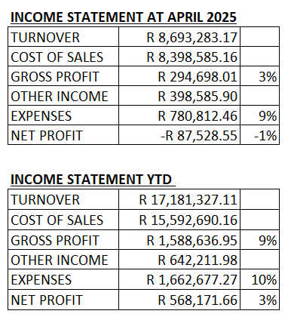
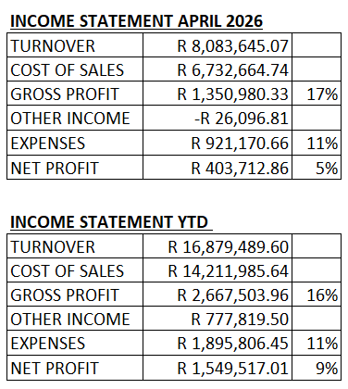

Analysis Dashboard
AFRICAN GAMESKIN GROUP - JUNE 2026 DASHBOARD ANALYSIS

KEY PERFORMANCE METRICS |  |  |  |  |  | QUICK SUMMARY
Metric | Value | Notes |  |  |  | Total Turnover: | R 9,605,934.79 | Net Profit (YTD): | R 1,174,284.88
Total Turnover | R 9,605,934.79 | Local + Exports |  |  |  | Gross Margin: | 5.7% | Total Debtors: | R 9,500,330.96
Local Sales | R 8,846,029.89 | 92% of turnover |  |  |  | Total Stock: | R 28,252,761.88 | Total Creditors: | R 3,246,489.66
Export Sales | R 759,904.90 | 8% of turnover
Gross Profit (June) | R 542,952.45
Gross Profit Margin | 5.7% | Below target
Net Profit (June) | -R 12,544.95 | Loss this month
Net Profit YTD | R 1,174,284.88 | Positive YTD
YTD Profit Margin | 3.3%

Sales by Branch (M²) - June 2026
SALES BY BRANCH (M2) |  |  |  | Branch Sales Data
Branch | Jun-26 | May-26 | Change % | Branch | Jun-26
Durban | 2,362 | 2,702 | -12.6% | Durban | 2362
JHB | 9,987 | 9,663 | 3.4% | JHB | 9987
Cape Town | 15,762 | 14,573 | 8.2% | Cape Town | 15762
TOTAL | 28,111 | 26,938 | 4.4%

Debtors Aging Distribution
DEBTORS AGING ANALYSIS |  |  |  | Debtors Aging Data
Aging Bucket | Amount | % of Total | Risk Level | Aging | Amount
Current | R 5,750,509.48 | 60.5% | Low | Current | R5,750,509.48
30 Days | R 2,659,650.17 | 28.0% | Medium | 30 Days | R2,659,650.17
60 Days | R 339,704.74 | 3.6% | High | 60 Days | R339,704.74
90+ Days | R 750,466.57 | 7.9% | Critical | 90+ Days | R750,466.57
TOTAL | R 9,500,330.96 | 100.0%

STOCK INVENTORY BY LOCATION |  |  |  | Stock Value Data
Location | M2 | Value (R) | % of Total | Location | Value
Cape Town | 72,417 | R 20,103,816.00 | 71.2% | Cape Town | R 20,103,816.00
JHB | 26,594 | R 6,028,419.00 | 21.3% | JHB | R 6,028,419.00
Durban | 3,891 | R 999,058.30 | 3.5% | Durban | R 999,058.30
Stock Value by Location
TOTAL | 102,902 | R 28,252,761.88 | 96.0%

TOP 10 CUSTOMERS |  |  |  | Top Customers Data
Rank | Customer | M2 | Value (R) | Customer | Value
1 | INSPIRE RENTALS PTY LTD | 1,648.56 | R 400,521.10 | INSPIRE RENTALS | R 400,521.10
2 | GH LEATHERS LTD | 1,464.08 | R 677,878.46 | GH LEATHERS | R 677,878.46
3 | JULIANA DESIGNS (PTY) LTD | 1,244.83 | R 329,879.95 | JULIANA DESIGNS | R 329,879.95
4 | COUCH POTATO | 856.94 | R 213,084.55 | COUCH POTATO | R 213,084.55
5 | INYATHI LOUNGE (PTY) LTD | 834.04 | R 202,000.95 | INYATHI LOUNGE | R 202,000.95
6 | ALWAYS AROUND (PTY) LTD T/A BEESDAM | 787.17 | R 221,597.55 | ALWAYS AROUND | R 221,597.55
7 | LEATHER DIRECT (Pty) Ltd | 722.42 | R 181,422.00 | LEATHER DIRECT | R 181,422.00
Top 10 Customers by Sales Value (R)
8 | ROWDY INTERNATIONAL (Pty) Ltd | 707.48 | R 215,960.95 | ROWDY INTL | R 215,960.95
9 | LEATHER DIRECT (Pty) Ltd | 597.60 | R 148,022.80 | LEATHER DIRECT 2 | R 148,022.80
10 | FF CLOTHING GROUP CC | 583.21 | R 232,642.60 | FF CLOTHING | R 232,642.60

KEY INSIGHTS & OBSERVATIONS
1. PROFITABILITY CONCERN: June 2026 shows a net loss of R12,545, though YTD remains positive at R1.17M
2. GROSS MARGIN: At 6%, gross margin is significantly below industry norms (typically 15-25%)
3. BRANCH PERFORMANCE: Cape Town dominates with 56% of M2 sold, JHB at 35%, Durban at 8%
4. CUSTOMER CONCENTRATION: Top 10 customers represent 33.6% of sales - moderate risk
5. DEBTORS RISK: 7.9% (R750K) of debtors are 90+ days overdue - requires collection attention
6. STOCK LEVELS: R28.3M tied in inventory, Cape Town holding 71% of stock value
7. SUPPLIER POSITION: 100% of creditors current (no overdue) - healthy supplier relations
8. INVENTORY BUILD: Purchased 34,762 M2 vs sold 28,112 M2 - building stock levels
9. MARGIN ANALYSIS: Avg sell price R326/M2 vs purchase R239/M2 = 36% markup
10. RETURNS: 115 credit notes (5% of sales = R512K) - quality/returns monitoring needed

